Hiearchy View
CLASS: FLOOR
the lower surface of a room, on which one may walk. |  | 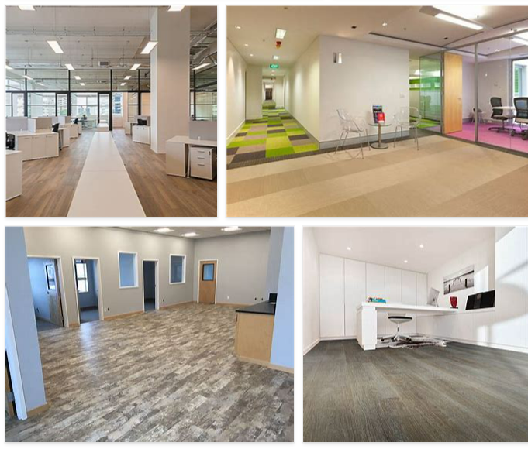
REMOVE | N

PROBLEM_DESC | CAUSE_DESC | REMEDY_DESC
BROKEN/DAMAGED
LIGHTING
OTHER PROBLEM
OVERHEATING
SMELL
STOPPED/SLOWED/POOR OPS
TEMP-CTRL
VIBRATION
Grand Total

